1. Title Page
Instacart Grocery Basket Analysis

Project Name: Instacart Grocery Basket Analysis
Date: 27/12/2025
Analyst Name: BOUASKER Oussama

Contents:
Population Flow
Consistency checks
Wrangling steps
Column derivations
Visualizations
Recommendations

citation | Instacart Grocery Basket Analysis s dataset :
Instacart Market Basket Analysis

Note:
Customers dataset and prices were fabricated for the purpose of this course by Careerfoundry

2. Population Flow
 | Title page

Population flow

Exclusion flag
Condition: max_order < 5
Obervations to be removed: 1440355
Final total count of order_products_all: 30965686

Orders_products_combined
Orders_products_merged
Orders_products_all

Total:
Total: 32640698
Total:
30965686
32406041

1.) The grey boxes in the first row of the population flow represent the original data sets as they were when you downloaded them. In the Total fields you need to add the count of the rows when you imported the data set into Jupyter.
2.) The second row of boxes (coloured) represents the data sets after you manipulated them, e.g., removed missing values and duplicates. In the Total fields you need to add the count of the rows after conducting these operations. This offers a visual oveview of how the data flows throughout the data consistency checks.
3.) The third row, where also the arrows are coloured, represents the merges you performed between the datasets. In the Total fields you need to add the count of the rows in the merged datasets, so that you end up with the final dataset (in the red box). Keep in mind the final dataset should be without exclusions (based on the exclusion flag).

3. Consistency checks
 |  |  |  | Title page
Consistency checks

Dataset | Missing values | Missing values treatment | Duplicates
orders | 206209 in days since prior order | imputation by 7 | no duplicate
products | product name | dropping 16 products name | removing 5 duplicate
orders_products_prior
customers

4. Wrangling steps
 |  |  |  | Title page
Wrangling steps

Columns dropped | Columns renamed | Columns' type changed | Comment/Reason
eval_set | Days_since_last_order | order_number | order number : We dont need it for our descriptive analysis
 | orders_day_of_week | user_id | user id : We dont need it for our descriptive analysis
 |  | order_id | order id : We dont need it for our descriptive analysis
 |  |  | days since prior order is ambigus so that s why we changed it to days since last order , it s more clear
 |  |  | as well is the same for orders day of the week
 |  |  | eval set we dont need it beacause it s not relevent for our analyis
 | state to STATE |  | make the work easier
 | n_dependants' : 'household_dependents |  | not clear
 | fam_status' : 'familiar_status |  | not clear, to make the work easier
 | Age' : 'age |  | not clear, to make the work easier
 | Gender' : 'gender' |  | not clear, to make the work easier
First Name |  |  | data ethic
surnam |  |  | data ethic

5. Column derivations
 |  |  |  | Title page

Column derivations and aggregations

In this tab you should add tables below that the frequences of flags/label variables that you produced after deriving them. NB: don't do this for continuous variables, only for flags.
Dataset | New column | Column/s it was derived from | Conditions
Deriving_New_Variables | order_frequency_flag | median_days_since_last_orders | >20 → Non-frequent customer 10–20 → Regular customer ≤10 → Frequent customer
Deriving_New_Variables | spending_flag | mean_prices | >=10 → High spender >10 → Low spender
Deriving_New_Variables | loyalty_flag | max_order | >40 → Loyal customer 10–40 → Regular customer ≤10 → New customer
ords_prods_merge | price range loc | prices

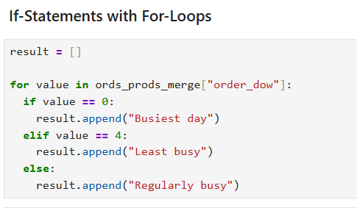

ords_prods_merge | busiest day | order dow

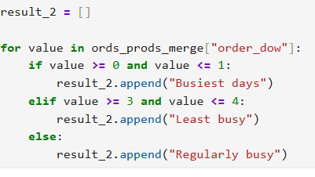
ords_prods_merge | busiest-days | order dow

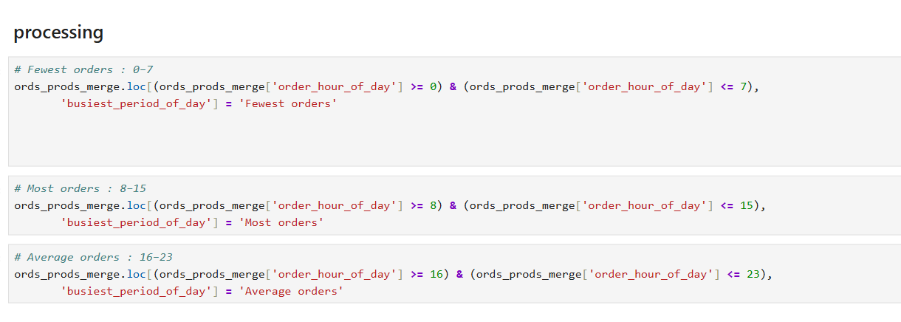

ords_prods_merge | busiest period of day | order hour of day

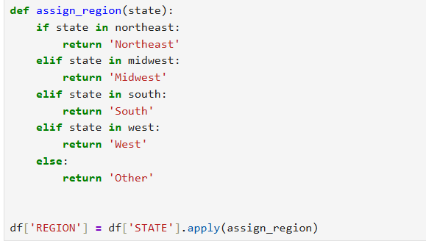

intro_to_data_410 | region | state

intro_to_data_410 | customer activity | max order

Deriving New Variable | order frequency flag | days since last order

Deriving New Variable | loyalty flag | max order

Deriving New Variable | spennding flag | price

Deriving New Variable | max order | order number | Deriving_New_Variables['max_order'] = Deriving_New_Variables.groupby(['user_id'])['order_number'].transform(np.max)

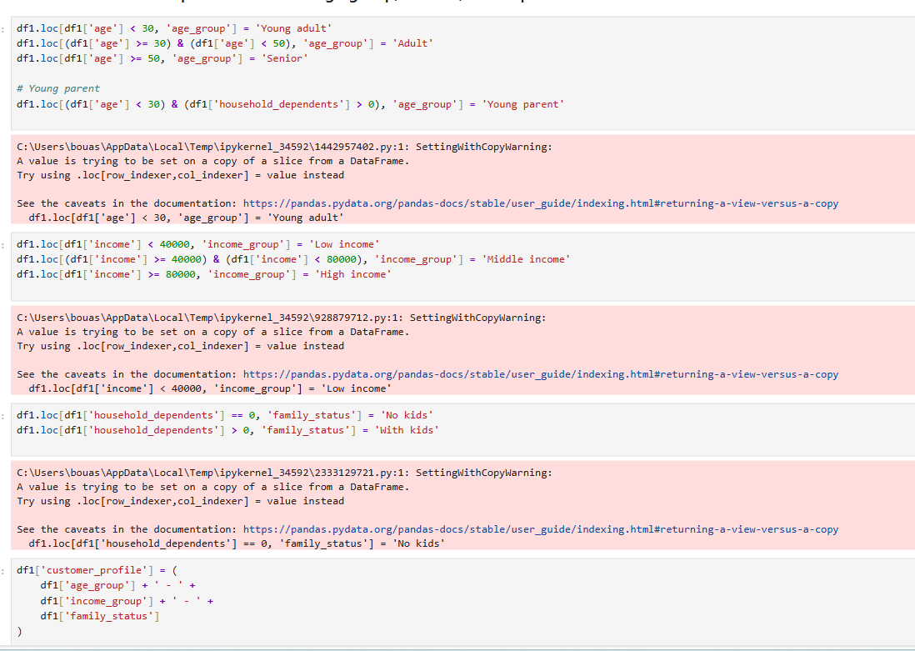
intro_to_data_410 | customer profile | age
 |  | househould dependants
 |  | income

6. Visualizations
 |  |  | Title page

Visualisations

In this tab you should include all the visualtions from Exercises 4.9 and 4.10, alongside the questions from the project brief that they answer. Include any commentary on the relationship between different variables.

 | Key Questions 1
 | The sales team needs to know what the busiest days of the week and hours of the day are (i.e., the days and times with the most orders) in order to schedule ads at times when there are fewer orders.


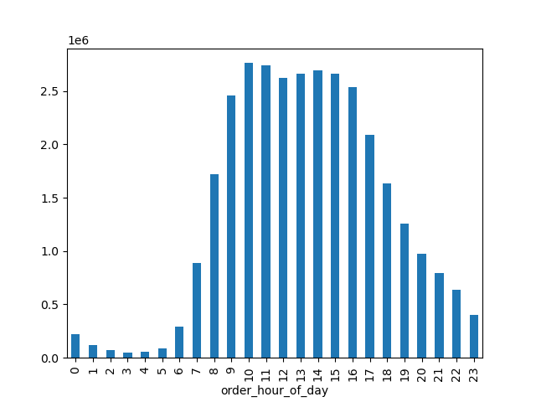

 | Comments
 | Demand increases on Saturdays and Sundays and decreases during the week. This leads us to conclude that customers prefer to shop when they are free and have fewer commitments.
 | Order Time Distribution: Most Instacart orders are placed between 6 AM and 23 PM,the peak is at 10 am. This suggests costomers prefer shopping during the middle of the day

 | Key Questions 2
 | They also want to know whether there are particular times of the day when people spend the most money, as this might inform the type of products they advertise at these times.
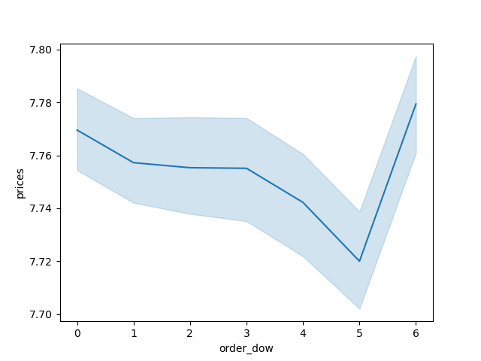
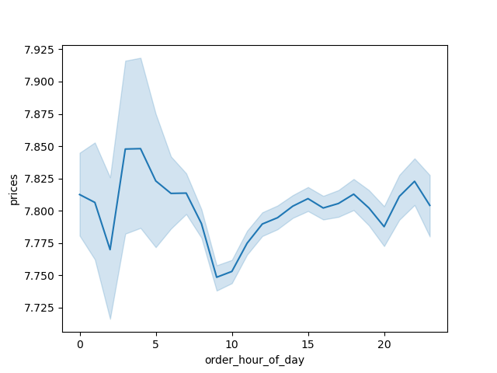

 | Comments
 | During the week, prices tend to be downward, rising over the weekend. This is explained economically by the fact that when demand increases, prices also increase. This increase is slight, and its variation increases during the week and decreases over the weekend.

 | During the day, prices rise in the morning but fall during peak demand. This can be explained by the promotions Instacart runs during peak times to boost sales.

 | Key Questions 3
 | Instacart has a lot of products with different price tags. Marketing and sales want to use simpler price range groupings to help direct their efforts.


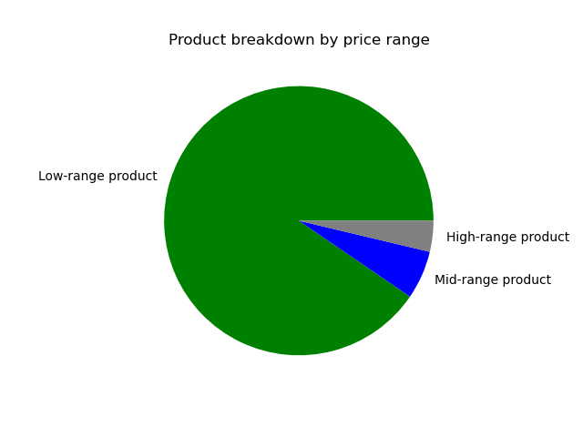

 | Comments
 | The majority of products purchased on Instacart are priced below 15, reflecting a preference for low-cost everyday items.
 | Key Questions 4
 | Are there certain types of products that are more popular than others? The marketing and sales teams want to know which departments have the highest frequency of product orders.
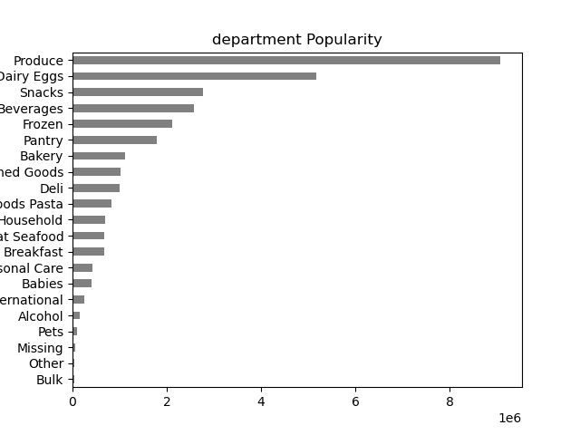

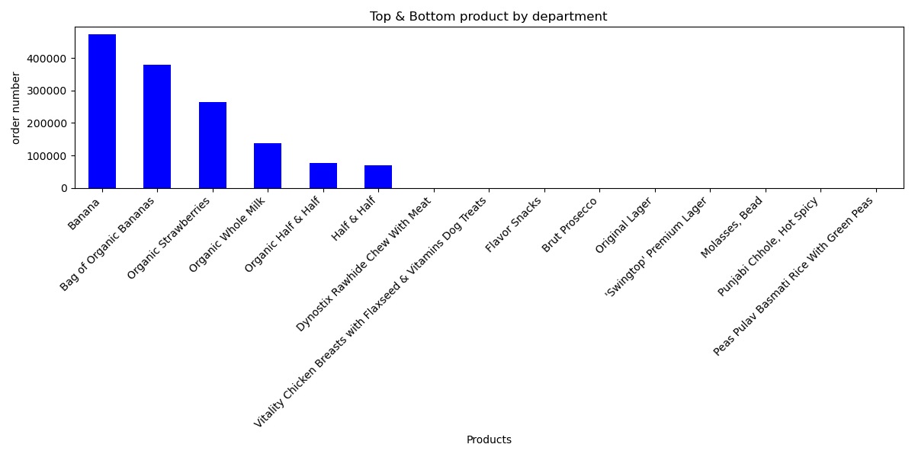

 | Comments
 | I took the top 3 best-selling products from the top 2 departments and the least-selling products from the bottom 2 departments
 | The most frequently ordered departments are Produce, Dairy & Eggs, and Snacks, indicating that customers primarily purchase fresh, fast-food items. Departments such as Pets, Alcohol, babies and International are significantly less popular.
 | The most ordered products are fresh fruit and organic milk, confirming a strong preference for healthy and essential items. Conversely, international products, alcoholic beverages, and pet supplies are in very low deman
 | Key Questions 5
 | What’s the distribution among users in regards to their brand loyalty (i.e., how often do they return to Instacart)?
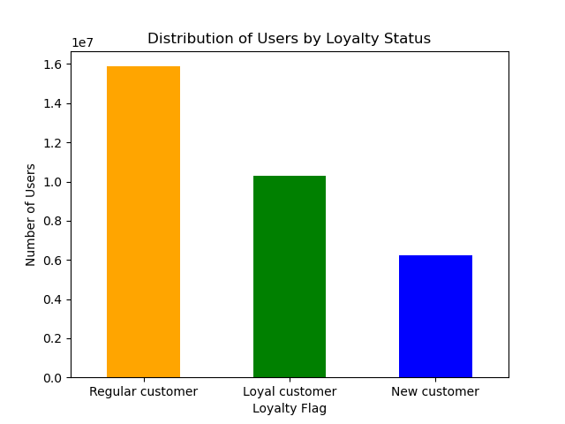

 | Comments

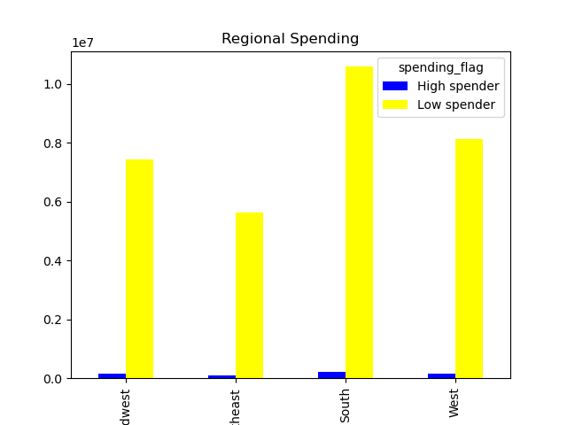
 | Regular customers have the highest number of orders
 | Key Questions 6
 | Are there differences in ordering habits based on a customer’s region?

 | The highest regional spending is in the south and west, followed by the Midwest, this suggest that the big states have the important demand
 | Key Questions 7
 | What different classifications does the demographic information suggest? Age? Income? Certain types of goods? Family status?

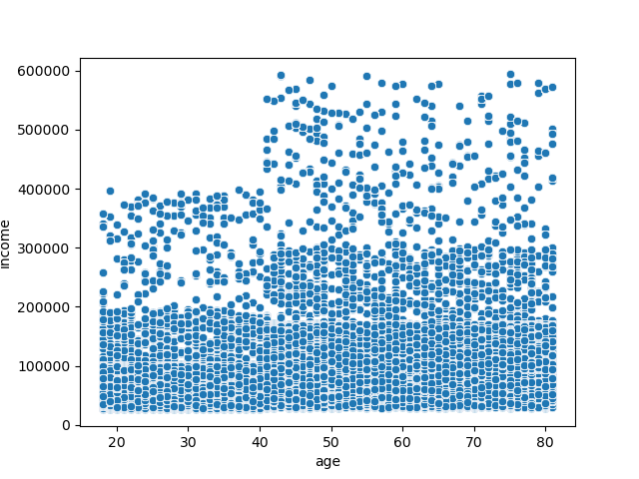 |  | 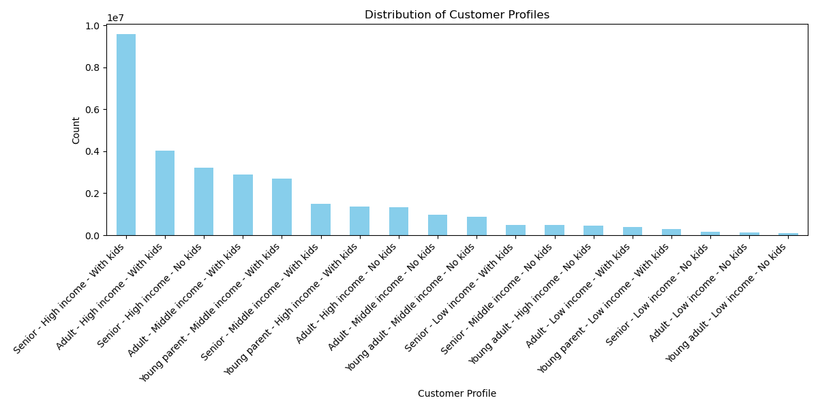 |  | 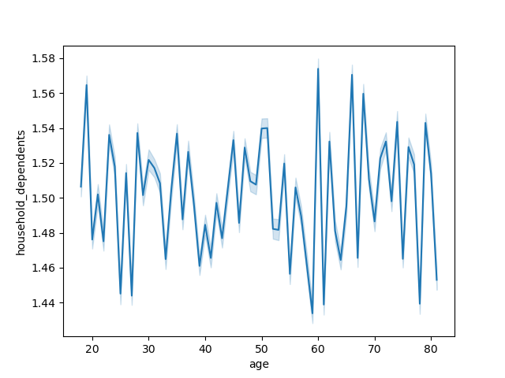

 | Comments
 | 1/According to this scatterplot, we can say that there is no linear correlation between age and income , income is not dependent on age. However we observe a non-linear trend where high incomes appear more frequently from the age of 45. we can dig deeper and deduce that: *With age, people's wealth increases more and more significantly. *The majority of people have incomes between 0 and 200,000, regardless of age. *There is a category of people with higher incomes, extending up to 400,000, regardless of age, but the majority of this category is 45 years of age or older. This is deduced from the fact that we see a greater concentration of points in the middle to the right (from age 45 onwards). *This category of people is less significant than the majority of people mentioned at the beginning. *The last category is the rarest, for people with incomes approaching 600,000. Their age starts at 40, and the majority of them have An age of over 60. *This last category does not exist for those under 40.
 | 2/The most frequent profiles are “Senior - High Income - With Kids” and “Adult - High Income - With Kids,” suggesting that affluent families make up a dominant share of Instacart customers. * the profiles “Young adult - Low Income - No Kids” and “Adult - Low Income - No Kids” are significantly less common, indicating low penetration of the service among young, single people with modest incomes.
 | 3/The chart shows us a constant volatility throughout the ages of consumers in relation to the people who depend on them; this shows that there is no strong relationship between the age of consumers and the number of people who are dependent on them, but what we can deduce, and most importantly, is that generally consumers have between 1 and 2 children

 | Key Questions 8
 | What differences can you find in ordering habits of different customer profiles? Consider the price of orders, the frequency of orders, the products customers are ordering, and anything else you can think of.

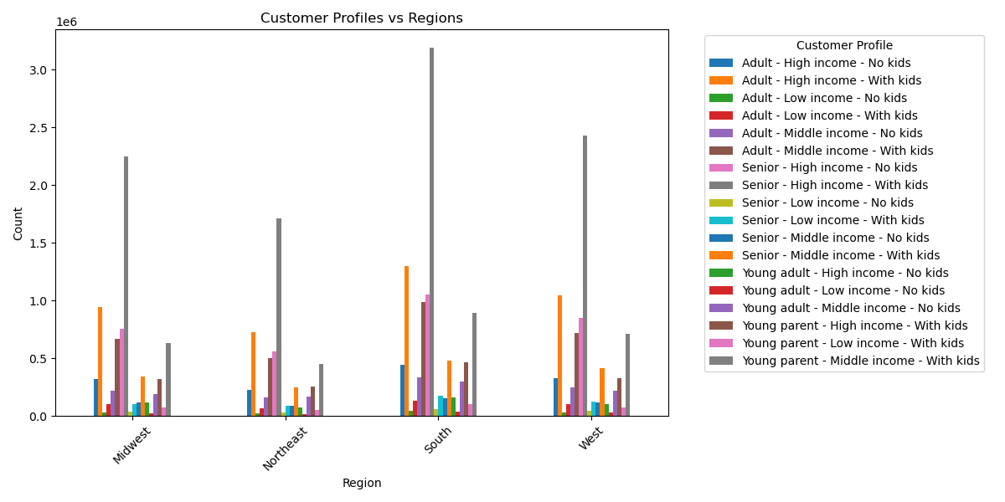
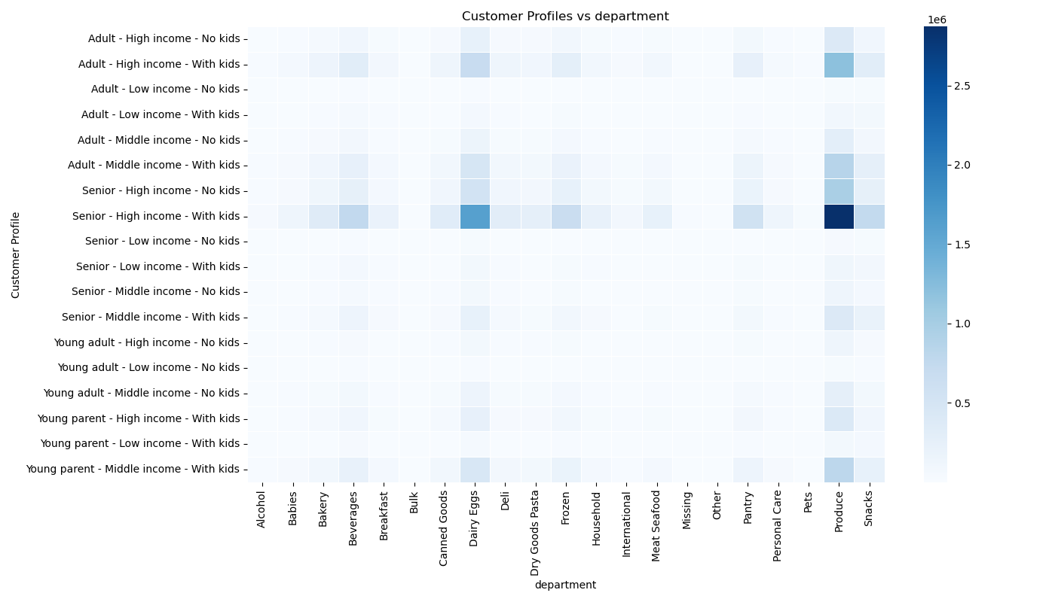

 | 1/The “High Income – With Kids” profiles concentrate a large portion of their purchases in the produce, dairy, eggs, and snacks departments, reflecting more complete baskets geared towards family needs. Conversely, the “Low Income – With Kids” profiles show a smaller and more dispersed presence, with a relative preference for essential departments such as pantry, beverages, or frozen foods, indicating more targeted and less voluminous purchasing behaviors.
 | 2/The "Senior - High income - With children" profile is overrepresented in the South, indicating a high population concentration. The other regions show a more balanced distribution between profiles, with less overall intensity.

 | Across regions, the most represented customer profiles (notably High Income – With Kids) appear consistently dominant, showing that affluent family households form a strong core of Instacart’s user base regardless of geography. However, when comparing profiles with departments, these same groups show a clear preference for essential and high‑volume categories such as produce, dairy eggs, and snacks, while lower‑income or no‑kids profiles display more selective purchasing patterns focused on basic or lower‑cost departments.

7. Recommendations
 |  | Title page

Recommendations

In this tab you should include any recommendations you would made to Instcart in terms of their marketing strategy based on the questions posed in the brief. Every key question has been covered in the Tasks of the Exercises - here you need to add an item - a visualisation or table/crosstable that is showing the answer in the data, acompanied by a comment from you. Please, list the questions below and add the answer underneath.

Question | Answer
Key Question 1 | Plan targeted advertising throughout the week and encourage them to buy during off-peak hours, run top promotions in the evenings for example; these promotions will in turn counteract the price increase and thus Instacart will have a better-appreciated image from the point of view of their customers.
Key Question 2 | Since the peak occurs during the day, and since they tend to spend more we recommend Instacart advertise products that are not selling smoothly.With high demand and bulk purchasing, these products will surely sell out. We can also advice them to try selling premium product, customers who s make shopping with familiy tend to spend more
Key Question 3 | Create clear price tiers (e.g., Budget, Standard, Premium). Tailor promotions to each tier to better target customers. Simplify navigation by adding filters such as “Under $5”, “Best Value”, and “Premium”. Following this method, sales will increase for each category.
Key Question 4 | Instacart should strengthen the promotion of fresh and essential products, which represent the majority of purchases. At the same time, targeted promotions and improved visibility are needed to boost lower-demand categories such as Pets, Alcohol, Babies, and International.
Key Question 5 | Instacart should strengthen loyalty programs for High/Regular customers to maintain their high engagement, while offering targeted incentives toregular customers to increase their order frequency and personalized on boarding promotions to New customers to encourage repeat purchases.
Key Question 6 | Instacart should prioritize marketing investments in the South and West, where demand is strongest, while developing targeted growth campaigns in the Midwest to capture additional market share.
Key Question 7+8 | Since the most frequent user profiles are affluent families with children, Instacart should strengthen its premium offers, family bundles, and loyalty programs tailored to this segment. Conversely, to attract young, low-income adults, who are still relatively few in number, the platform would benefit from offering more affordable options, targeted promotions, and better highlighting of budget-friendly products.
 | Finally, personalized regional campaigns , particularly in the South where certain profiles are overrepresented , would help to optimize marketing performance according to the local composition of customers.

